General Entries
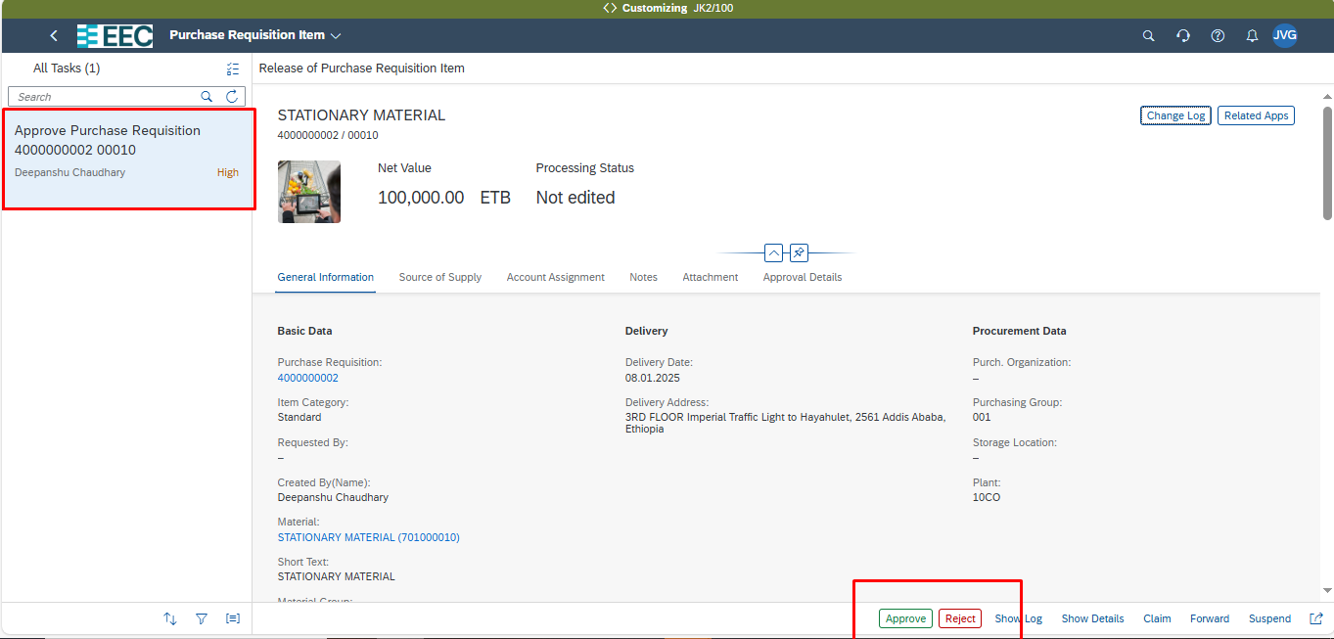
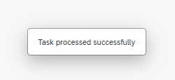
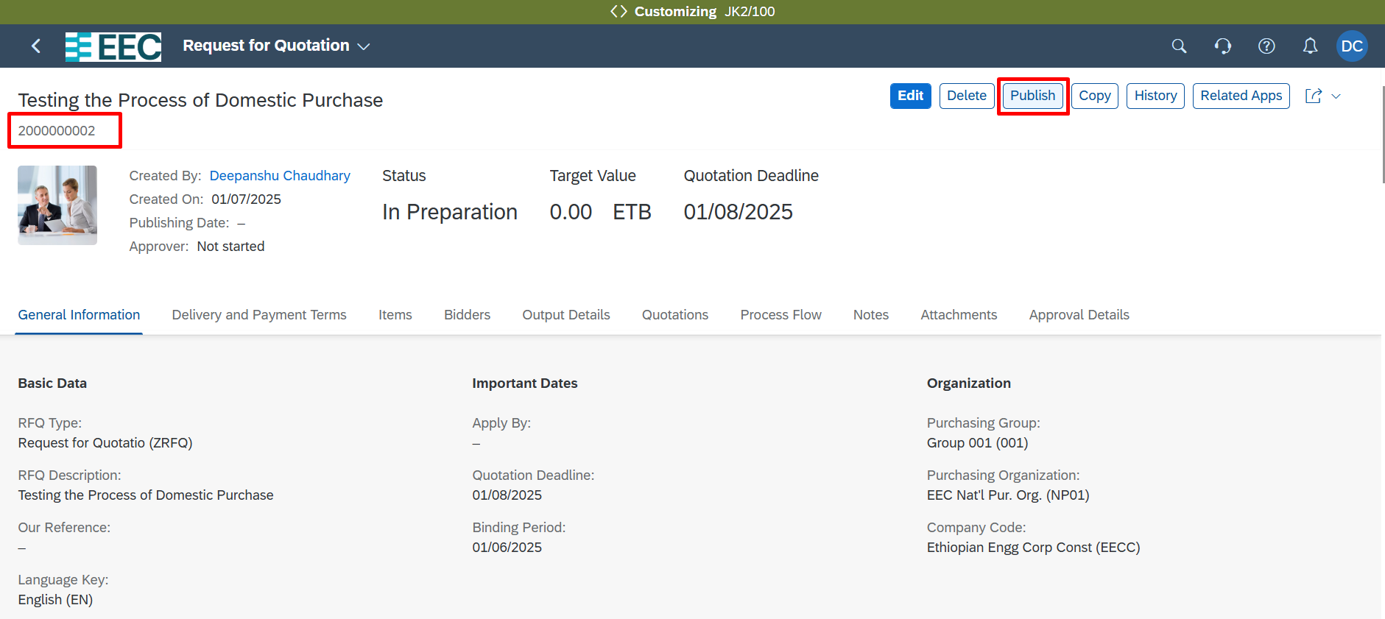
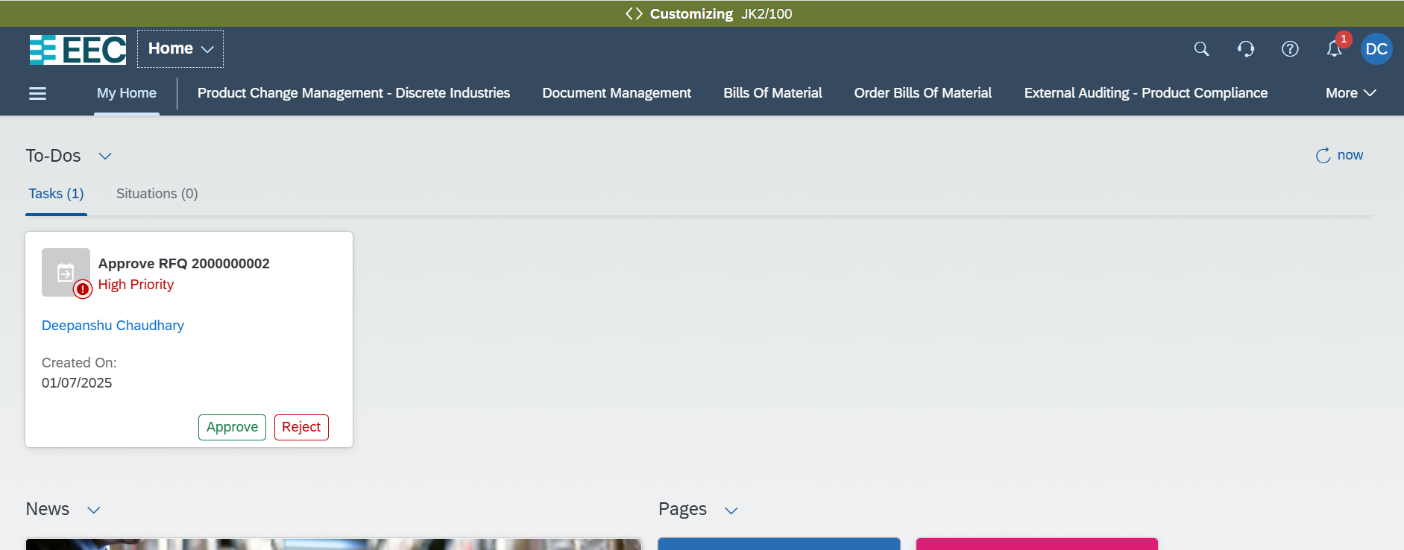
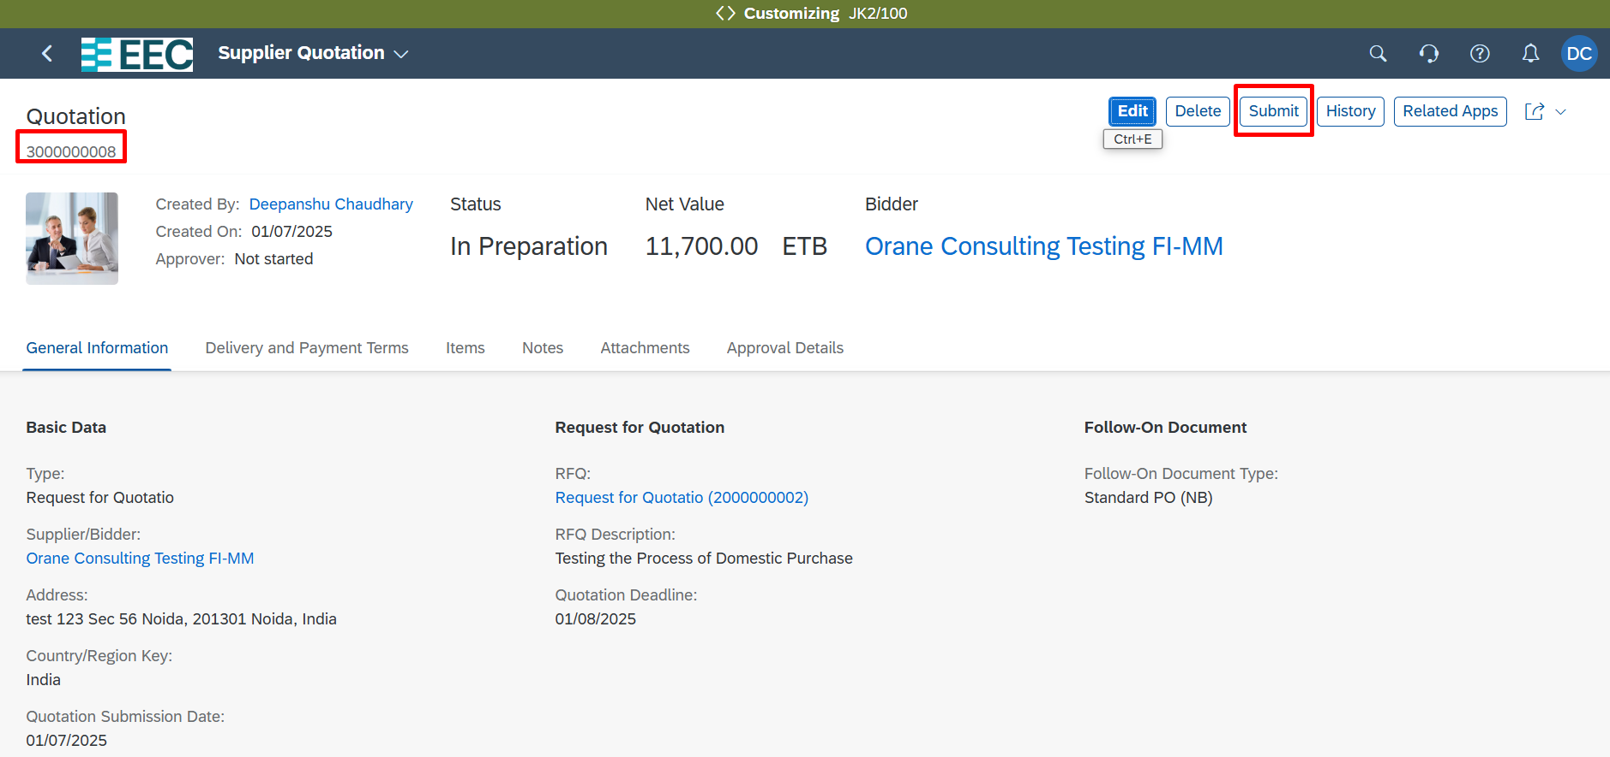
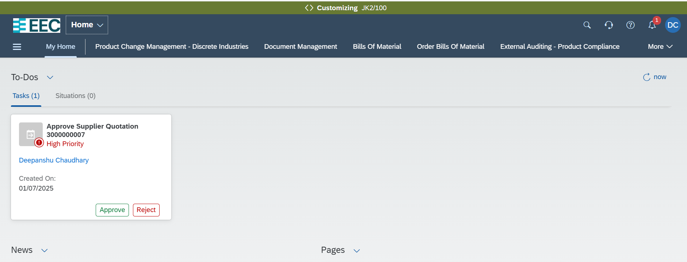
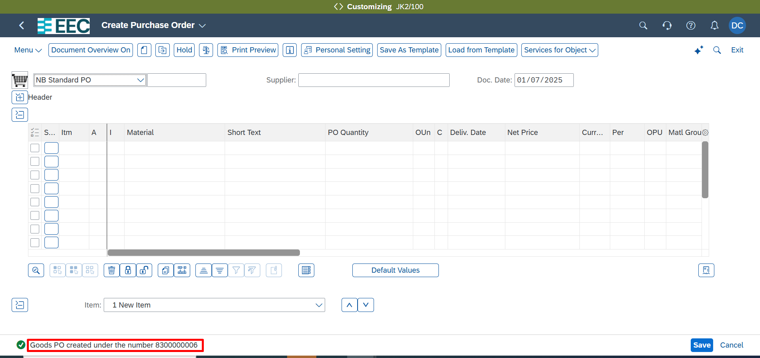
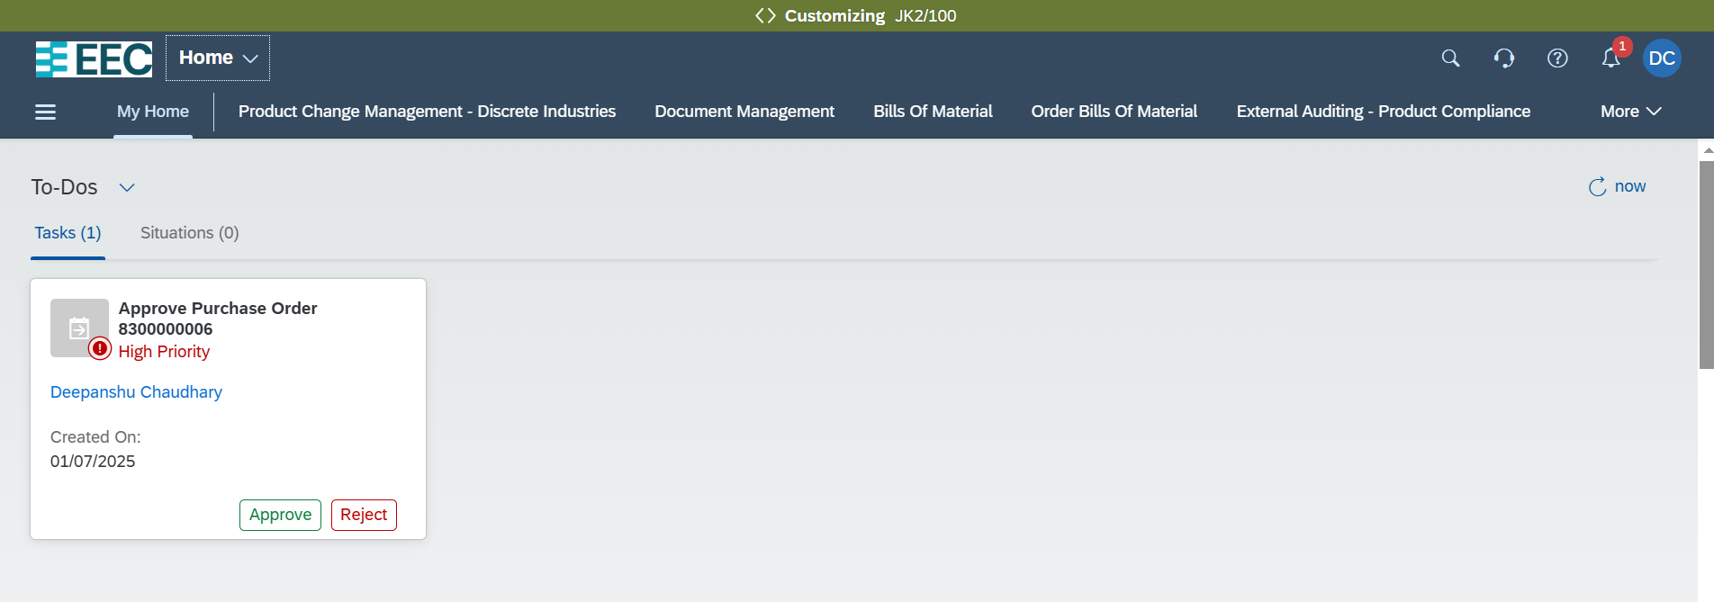
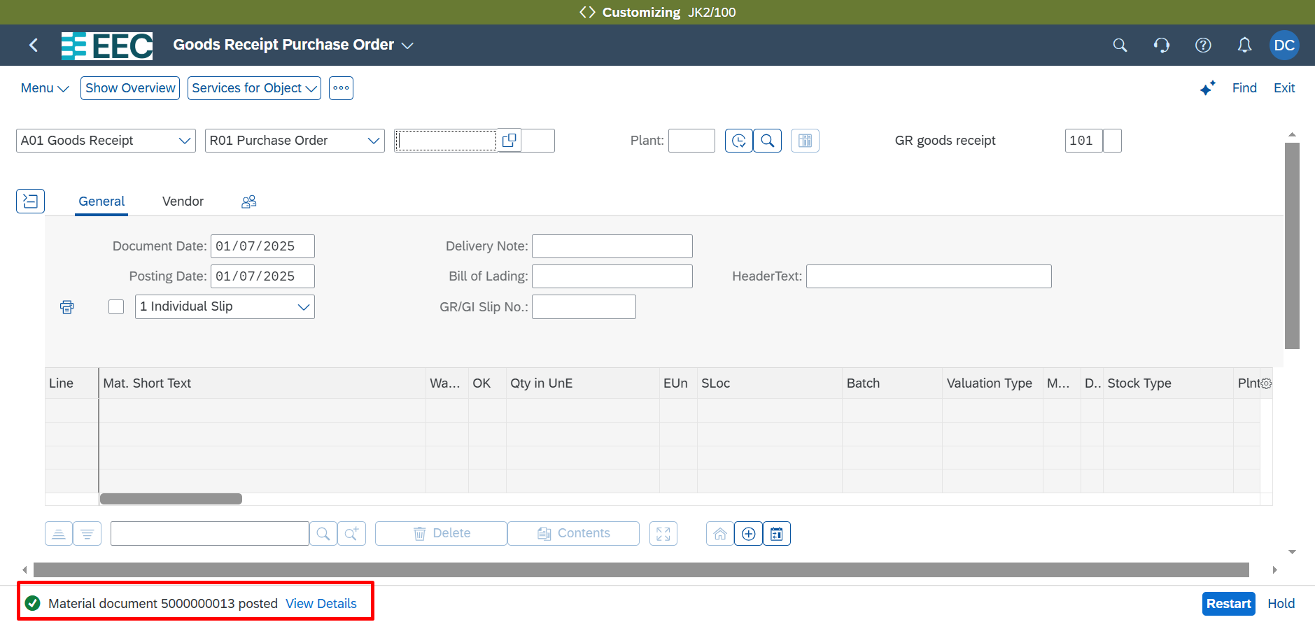
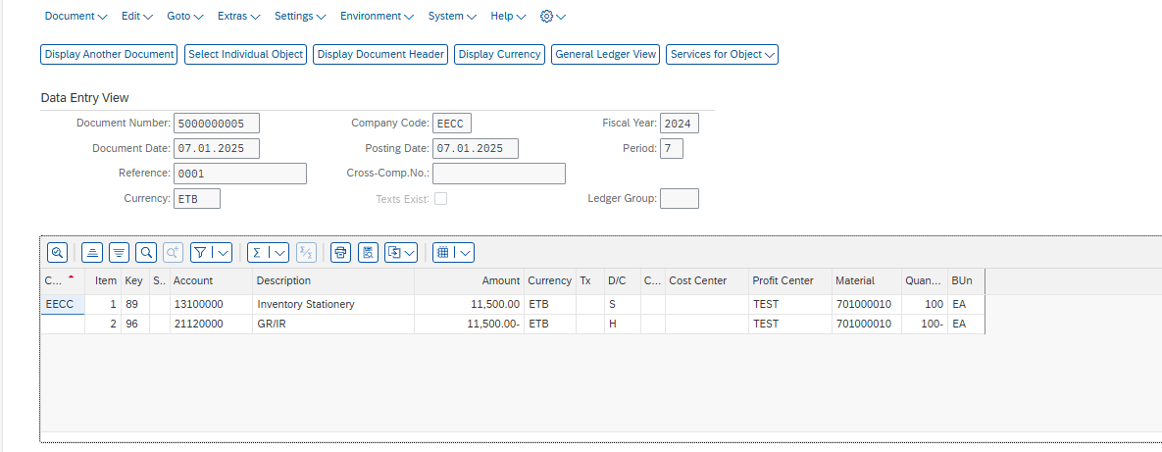
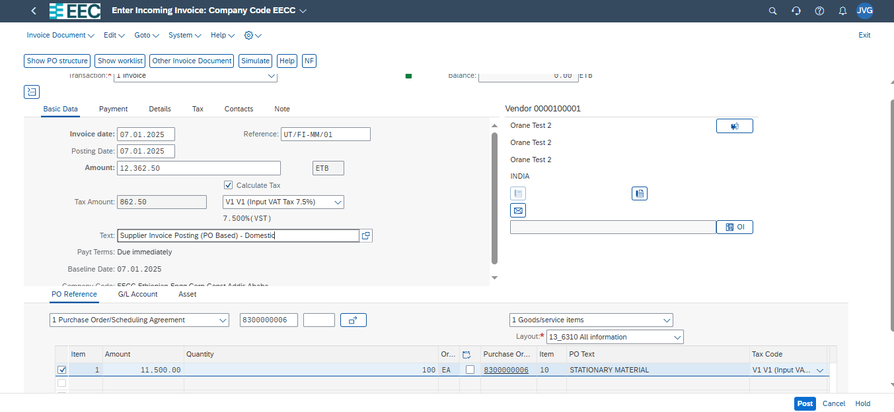
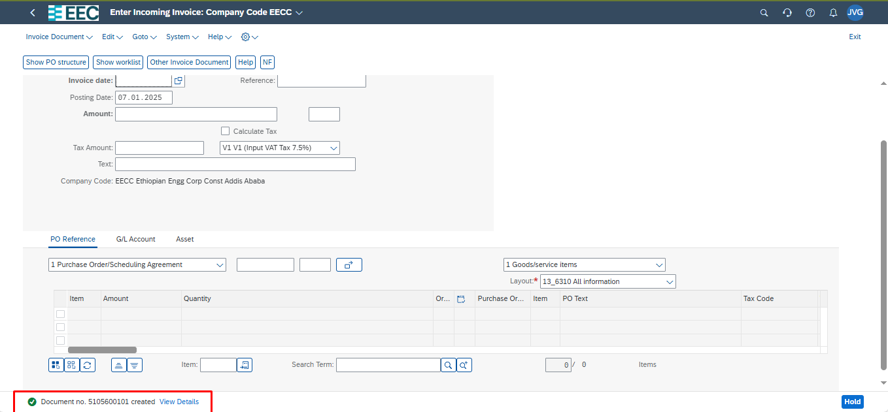
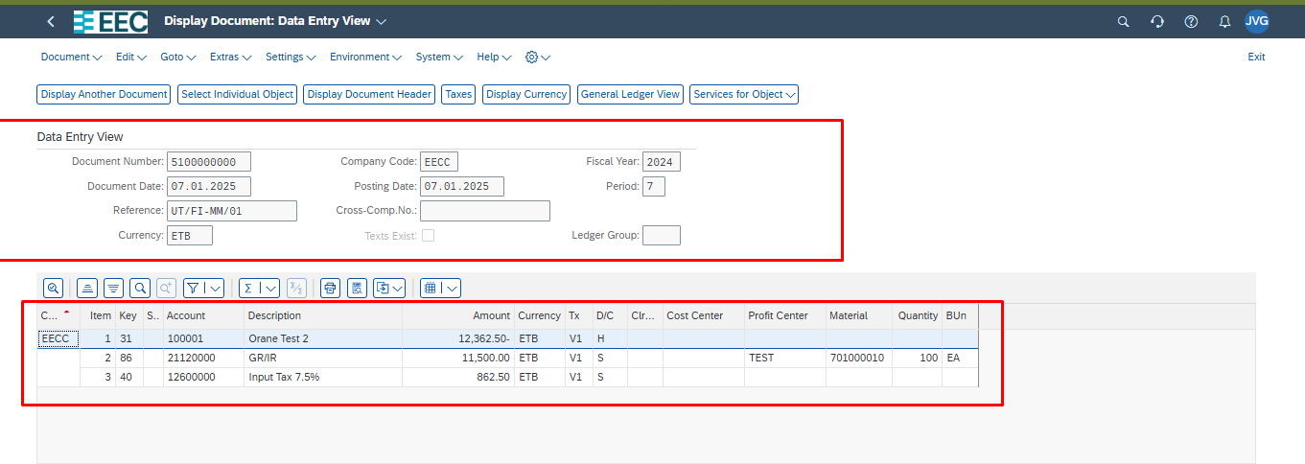
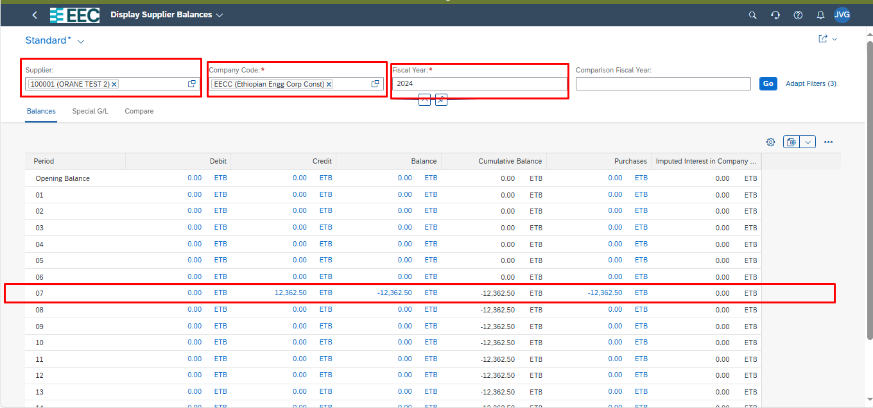
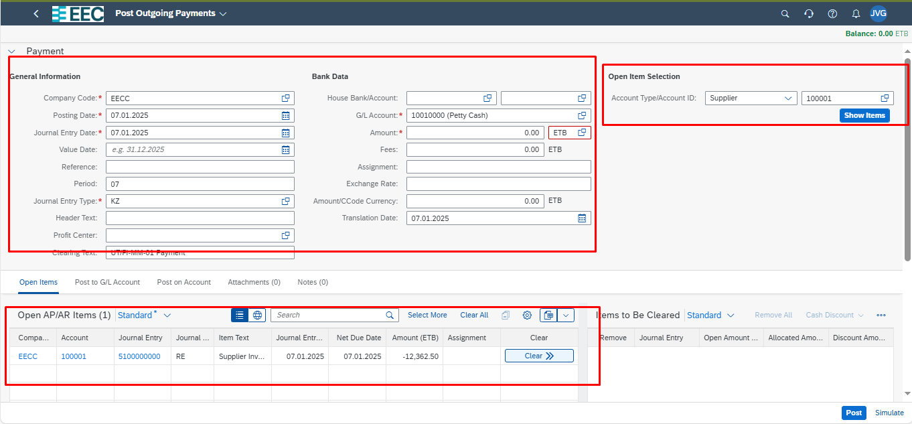
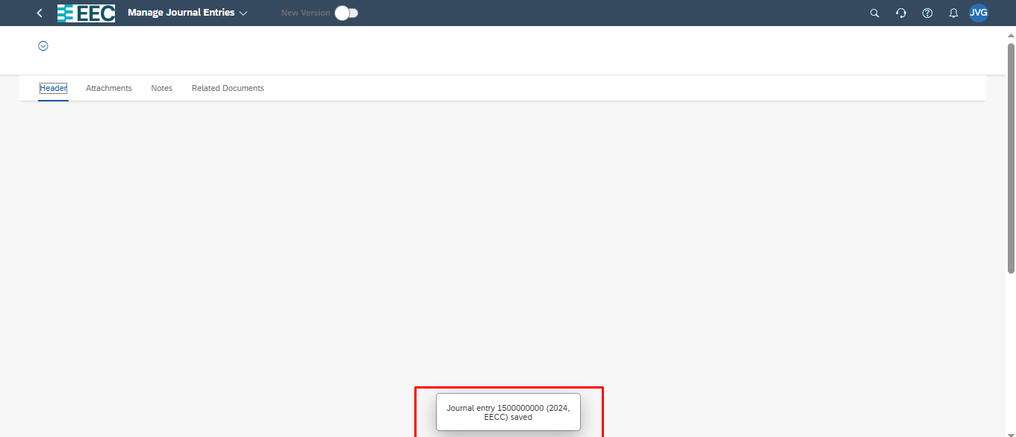
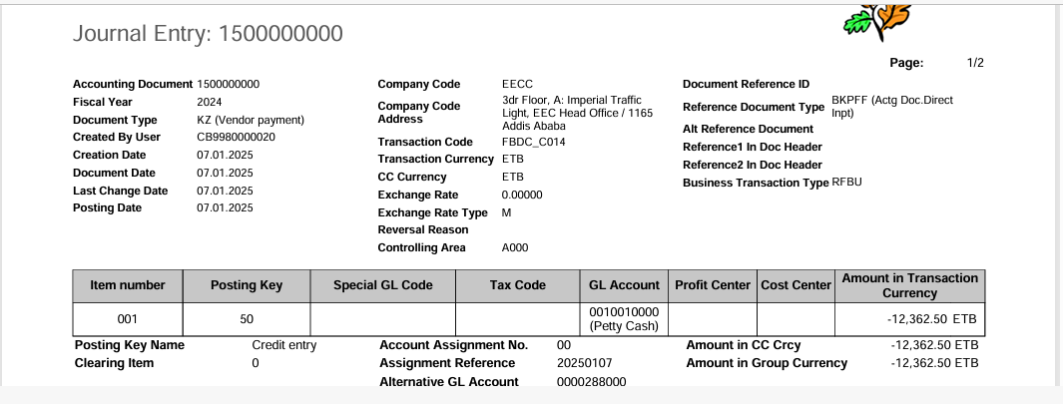
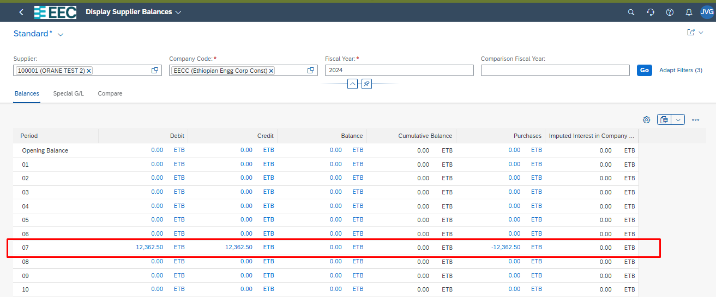
 |  | Test Scenario Result
Purpose |  | This scenario document should provide description of the scenario case, the prerequisites of the test, a detailed test procedure, and the expected test result. It should also provide the refence to the test case it belongs to.

Scenario Details:
Test Case ID: | OC_BP_1
Scenario ID: | UT_OC_01
Scenario Description: | General Entries With Cost Center
Estimated Duration:
Priority:

Prerequisites:
Prerequisite | Description | Comments/Notes
System Access and Roles
Controllin Area, Company Code, Cost Center Master Data, G/L Account Master data

Test Step:
Step | Step Detail | Input Data | Expected Result | Actual Result
1 | Open App Post General Journal Entries |  | The Post General Journal Entries screen displays. | The Post General Journal Entries screen displays.
2 | Enter Header Data | Journal Entry Date: <Current Date> Posting Date: <Current Date> Journal Entry Type: SA (G/L Account Document) Company Code: EECC Transaction Currency: ETB
3 | Enter data-First line item | make the following entries: Company Code: EECC G/L Account: 63005000 Debit: <amount> for example, 10000 Tax Code: V0 Cost Center: 80100000
4 | Enter data-Second line item | make the following entries: Company Code: EECC G/L Account: 10010000 Credit: <amount> for example, 10000 Value date: <Current date> House Bank: DEBK1 House Bank Account: DEAC1
5 | Simulate and Save Your Entries | Choose Post. Make a note of the document number | Journal enty document number will be created | Journal enty document number will be created

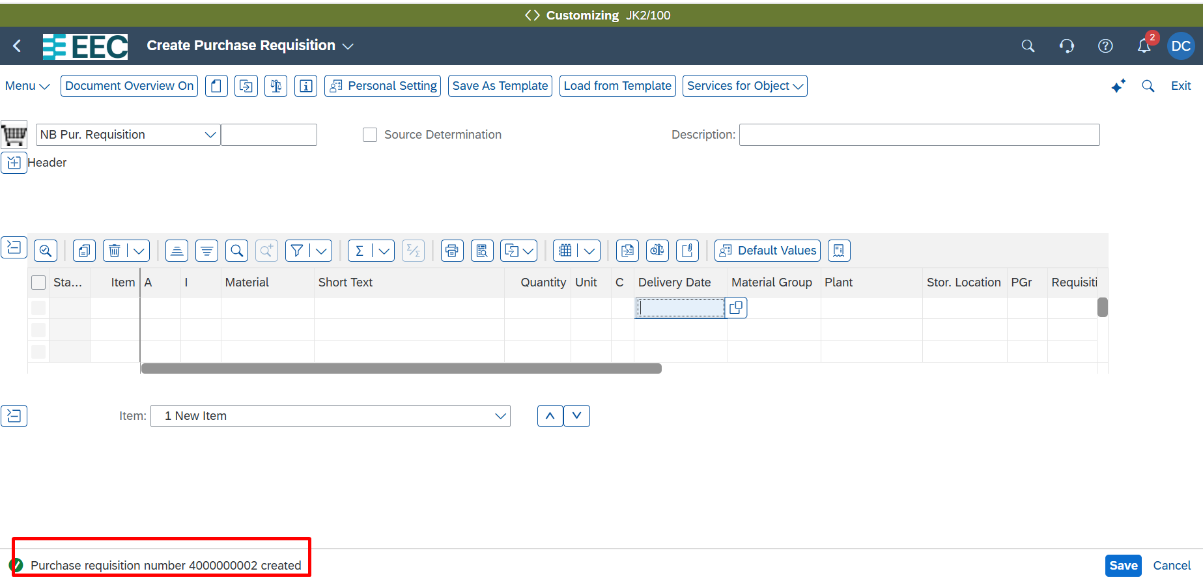
 |  |  |  |  | SS

